Data Sources
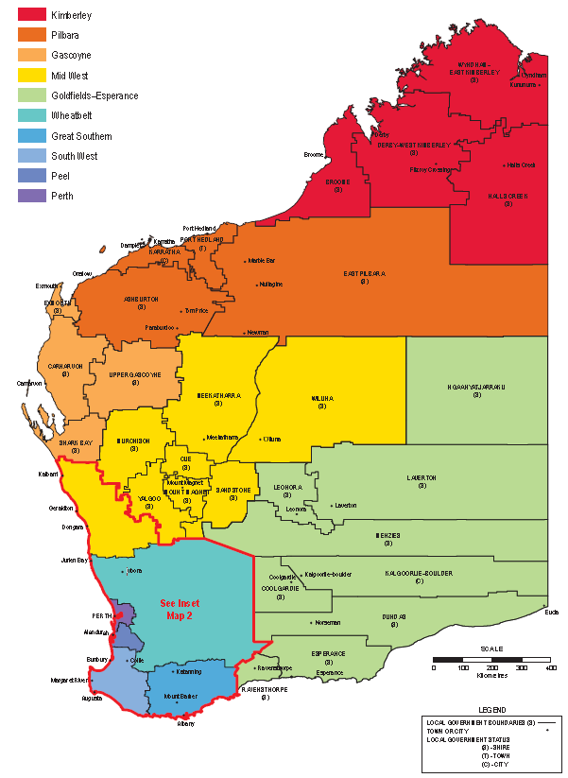
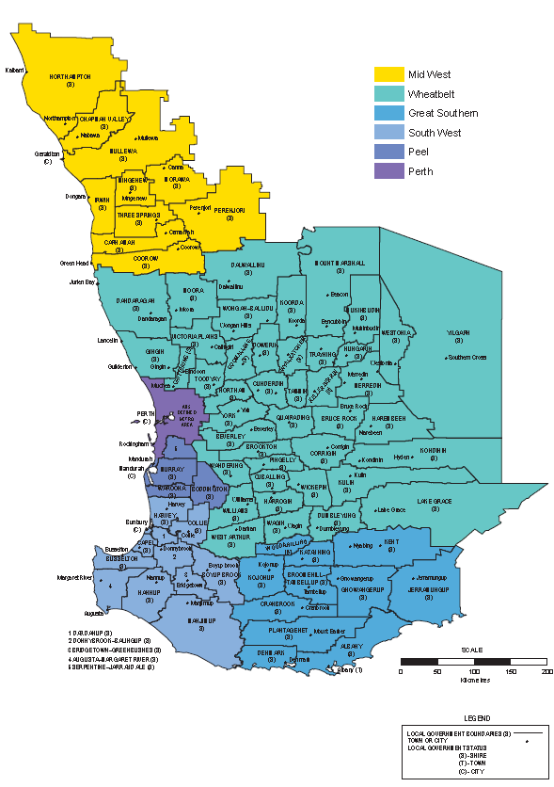
Category | Source

All Data sourced from DMP.

Value by Region - Pie Graph
Total Value of Minerals/Petroleum by Region in 2016 Total: $92.1 billion

Region | Value of Minerals/Petroleum
Pilbara | 53,866,329,971
Offshore | 17,053,777,534
Goldfields-Esperance | 9,376,344,222
Perth Metropolitan | 3,020,861,725
Mid West | 2,592,943,901
South West | 2,228,488,283
Wheatbelt | 1,990,133,600
Peel | 1,405,587,585
Kimberley | 451,736,557
Gascoyne | 69,329,254 | Total Value of Minerals/Petroleum by Region in 2016 Total: $92.1 billion
Great Southern | 6,667,240 | 92.1
Total | 92,062,199,874

Mineral Titles in Force
 | 4718 | 38279.4 | 4505 | 35993 | 3463 | 23732 | 3394 | 20687.01 | 3162 | 18152.42 | 2899 | 18556.063 | 2855 | 21123 | 2917 | 20896 | 3066 | 22215 | 3966 | 30822 | 4766 | 40031 | 5427 | 51790 | 4959 | 42367 | 5297 | 44123 | 6050 | 52205 | 6969 | 60396 | 6503 | 52895 | 5723 | 45059 | 4983 | 37419 | 4529 | 31387 | 0 | 0 | 0 | 0 | 0 | 0 | 0 | 0 | 0 | 0 | 0 | 0 | 0 | 0 | 0 | 0 | 0 | 0 | 0 | 0 | 0 | 0 | 0 | 0
 | 1996 |  | 1997 |  | 1998 |  | 1999 |  | 2000 |  | 2001 |  | 2002 |  | 2003 |  | 2004 |  | 2005 |  | 2006 |  | 2007 |  | 2008 |  | 2009 |  | 2010 |  | 2011 |  | 2012 |  | 2013 |  | 2014 |  | 2015 |  | 0 |  | 0 |  | 0 |  | 0 |  | 0 |  | 0 |  | 0 |  | 0 |  | 0 |  | 0 |  | 0 |  | 0

 | 1996-97 |  | 1997-98 |  | 1998-99 |  | 1999-00 |  | 2000-01 |  | 2001-02 |  | 2002-03 |  | 2003-04 |  | 2004-05 |  | 2005-06 |  | 2006-07 |  | 2007-08 |  | 2008-09 |  | 2009-10 |  | 2010-11 |  | 2011-12 |  | 2012-13 |  | 2013-14 |  | 2014-15 |  | 2015-16
 | Number | '000 ha | Number | '000 ha | Number | '000 ha | Number | '000 ha | Number | '000 ha | Number | '000 ha | Number | '000 ha | Number | '000 ha | Number | '000 ha | Number | '000 ha | Number | '000 ha | Number | '000 ha | Number | '000 ha | Number | '000 ha | Number | '000 ha | Number | '000 ha | Number | '000 ha | Number | '000 ha | Number | '000 ha | Number | '000 ha
Prospecting Licences | 8,212 | 1,100 | 7,525 | 992 | 6,242 | 809 | 5,827 | 745 | 5,512 | 711 | 4,964 | 634 | 4,566 | 575 | 4,561 | 568 | 4,665 | 586 | 5,056 | 638 | 5,376 | 682 | 6,260 | 800 | 7,110 | 913 | 7,032 | 890 | 7,106 | 897 | 7,265 | 910 | 6,834 | 851 | 6,605 | 825 | 6,018 | 741 | 5,252 | 647
Exploration Licences | 4,718 | 38,279 | 4,505 | 35,993 | 3,463 | 23,732 | 3,394 | 20,687 | 3,162 | 18,152 | 2,899 | 18,556 | 2,855 | 21,123 | 2,917 | 20,896 | 3,066 | 22,215 | 3,966 | 30,822 | 4,766 | 40,031 | 5,427 | 51,790 | 4,959 | 42,367 | 5,297 | 44,123 | 6,050 | 52,205 | 6,969 | 60,396 | 6,503 | 52,895 | 5,723 | 45,059 | 4,983 | 37,419 | 4,529 | 31,387
Mining Leases | 5,180 | 2,047 | 6,690 | 2,031 | 7,555 | 2,263 | 4,865 | 1,829 | 4,841 | 1,803 | 4,820 | 1,774 | 4,770 | 1,762 | 4,713 | 1,716 | 5,172 | 1,805 | 5,118 | 1,806 | 5,090 | 1,824 | 5,475 | 2,036 | 5,618 | 2,065 | 5,764 | 2,125 | 5,845 | 2,233 | 5,897 | 2,285 | 6,195 | 2,451 | 6,020 | 2,400 | 5,859 | 2,377 | 5,873 | 2,394
Other | 1,537 | 89 | 1,584 | 205 |  |  | 2,001 | 468 | 3,625 | 2,840 | 3,618 | 3,002 | 3,629 | 3,299 | 3,590 | 3,115 | 3,258 | 2,982 | 3,432 | 3,037 | 3,629 | 3,248 | 3,678 | 4,119 | 2,512 | 3,477 | 2,884 | 4,541 | 2,995 | 4,926 | 3,157 | 5,323 | 3,377 | 5,486 | 3,507 | 5,857 | 3,598 | 6,045 | 3,436 | 3,154
Mineral Claims & Other 1904 Act | 310 | 34 | 309 | 34 | 307 | 34 | 194 | 22 | 186 | 21 | 186 | 22 | 186 | 22 | 186 | 22 | 186 | 22 | 186 | 21 | 186 | 21 | 186 | 21 | 186 | 21 | 186 | 21 | 186 | 21 | 186 | 21 | 186 | 21 | 186 | 21 | 189 | 21 | 186 | 21
Total Mineral Tennements | 19,957 | 41,549 | 20,613 | 39,255 | 25,122 | 26,838 | 16,281 | 23,751 | 17,326 | 23,528 | 16,487 | 23,988 | 16,006 | 26,781 | 15,967 | 26,317 | 16,347 | 27,610 | 17,758 | 36,324 | 19,047 | 45,806 | 21,026 | 58,766 | 20,385 | 48,843 | 21,163 | 51,700 | 22,182 | 60,282 | 23,474 | 68,935 | 23,095 | 61,704 | 22,041 | 54,162 | 20,647 | 46,603 | 19,276 | 37,603

Mineral tennements in force
Source: DMP |  |  |  |  |  |  |  |  |  |  |  |  |  |  |  |  |  |  |  | Calendar Year Comparison |  |  |  |  |  |  |  |  |  |  |  |  | Exploration Licences
 |  |  |  |  |  |  |  |  |  |  |  |  |  |  |  |  |  |  |  |  |  |  |  | 2015 |  | 2016 |  |  |  |  |  |  | Year | Number | Area ('000 ha)
 |  |  |  |  |  |  |  |  |  |  |  |  |  |  |  |  |  |  |  |  |  |  |  | Number | '000 ha | Number | '000 ha |  |  |  |  |  | 1996-97 | 4,718 | 38,279
 |  |  |  |  |  |  |  |  |  |  |  |  |  |  |  |  |  |  |  | Prospecting Licences |  |  |  | 6,296 | 779 | 4,887 | 599 |  |  |  |  |  | 1997-98 | 4,505 | 35,993
 |  |  |  |  |  |  |  |  |  |  |  |  |  |  |  |  |  |  |  | Exploration Licences |  |  |  | 5,425 | 41,847 | 4,755 | 32,673 |  |  |  |  |  | 1998-99 | 3,463 | 23,732
 |  |  |  |  |  |  |  |  |  |  |  |  |  |  |  |  |  |  |  | Mining Leases |  |  |  | 5,954 | 2,395 | 5,867 | 2,407 |  |  |  |  |  | 1999-00 | 3,394 | 20,687
 |  |  |  |  |  |  |  |  |  |  |  |  |  |  |  |  |  |  |  | Other |  |  |  | 3,337 | 3,497 | 3,477 | 2,975 |  |  |  |  |  | 2000-01 | 3,162 | 18,152
 |  |  |  |  |  |  |  |  |  |  |  |  |  |  |  |  |  |  |  | Mineral Claims & Other 1904 Act |  |  |  | 186 | 21 | 186 | 21 |  |  |  |  |  | 2001-02 | 2,899 | 18,556
 |  |  |  |  |  |  |  |  |  |  |  |  |  |  |  |  |  |  |  | Total Mineral Tennements |  |  |  | 21,198 | 48,539 | 19,172 | 38,675 |  |  |  |  |  | 2002-03 | 2,855 | 21,123
 |  |  |  |  |  |  |  |  |  |  |  |  |  |  |  |  |  |  |  |  |  |  |  |  |  |  |  |  |  |  |  |  | 2003-04 | 2,917 | 20,896
 |  |  |  |  |  |  |  |  |  |  |  |  |  |  |  |  |  |  |  |  |  |  |  |  |  |  |  |  |  |  |  |  | 2004-05 | 3,066 | 22,215
 |  |  |  |  |  |  |  |  |  |  |  |  |  |  |  |  |  |  |  |  |  |  |  |  |  |  |  |  |  |  |  |  | 2005-06 | 3,966 | 30,822
 |  |  |  |  |  |  |  |  |  |  |  |  |  |  |  |  |  |  |  |  |  |  |  |  |  |  |  |  |  |  |  |  | 2006-07 | 4,766 | 40,031
 |  |  |  |  |  |  |  |  |  |  |  |  |  |  |  |  |  |  |  |  |  |  |  |  |  |  |  |  |  |  |  |  | 2007-08 | 5,427 | 51,790
 |  |  |  |  |  |  |  |  |  |  |  |  |  |  |  |  |  |  |  |  |  |  |  |  |  |  |  |  |  |  |  |  | 2008-09 | 4,959 | 42,367
 |  |  |  |  |  |  |  |  |  |  |  |  |  |  |  |  |  |  |  |  |  |  |  |  |  |  |  |  |  |  |  |  | 2009-10 | 5,297 | 44,123
 |  |  |  |  |  |  |  |  |  |  |  |  |  |  |  |  |  |  |  |  |  |  |  |  |  |  |  |  |  |  |  |  | 2010-11 | 6,050 | 52,205
 |  |  |  |  |  |  |  |  |  |  |  |  |  |  |  |  |  |  |  |  |  |  |  |  |  |  |  |  |  |  |  |  | 2011-12 | 6,969 | 60,396
 |  |  |  |  |  |  |  |  |  |  |  |  |  |  |  |  |  |  |  |  |  |  |  |  |  |  |  |  |  |  |  |  | 2012-13 | 6,503 | 52,895
 |  |  |  |  |  |  |  |  |  |  |  |  |  |  |  |  |  |  |  |  |  |  |  |  |  |  |  |  |  |  |  |  | 2013-14 | 5,723 | 45,059
 |  |  |  |  |  |  |  |  |  |  |  |  |  |  |  |  |  |  |  |  |  |  |  |  |  |  |  |  |  |  |  |  | 2014-15 | 4,983 | 37,419
 |  |  |  |  |  |  |  |  |  |  |  |  |  |  |  |  |  |  |  |  |  |  |  |  |  |  |  |  |  |  |  |  | 2015-16 | 4,529 | 31,387 |  |  |  |  | Chart Data
 |  |  |  |  |  |  |  |  |  |  |  |  |  |  |  |  |  |  |  |  |  |  |  |  |  |  |  |  |  |  |  |  |  |  |  |  |  |  |  | Exploration Licences
 |  |  |  |  |  |  |  |  |  |  |  |  |  |  |  |  |  |  |  |  |  |  |  |  |  |  |  |  |  |  |  |  |  |  |  |  |  |  |  | Click above to change chart data

