Value by Region by LGA
For some projects, mineral and petroleum sales are allocated to a single Local Government Area and Region, even though mining and processing operations may be located within multiple Local Government Areas and Regions.
Value of Minerals and Petroleum By Region By Local Government Area
Pilbara | 2019-2020 | Wheatbelt | 2019-2020
East Pilbara | 51,798,400,145 | Yilgarn | 1,052,966,847
Ashburton | 51,239,823,971 | Kondinin | 410,718,125
Karratha | 137,030,295 | Dandaragan | 375,894,196
Port Hedland | 87,735,905 | Gingin | 161,921,557
Pilbara Total | 103,262,990,316 | Westonia | 123,299,121
 |  | Northam, Kellerberrin and Moora | 5,297,513
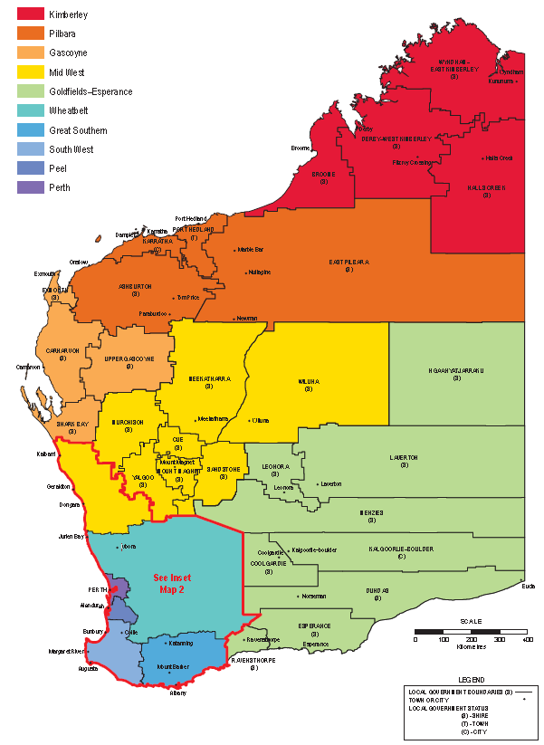
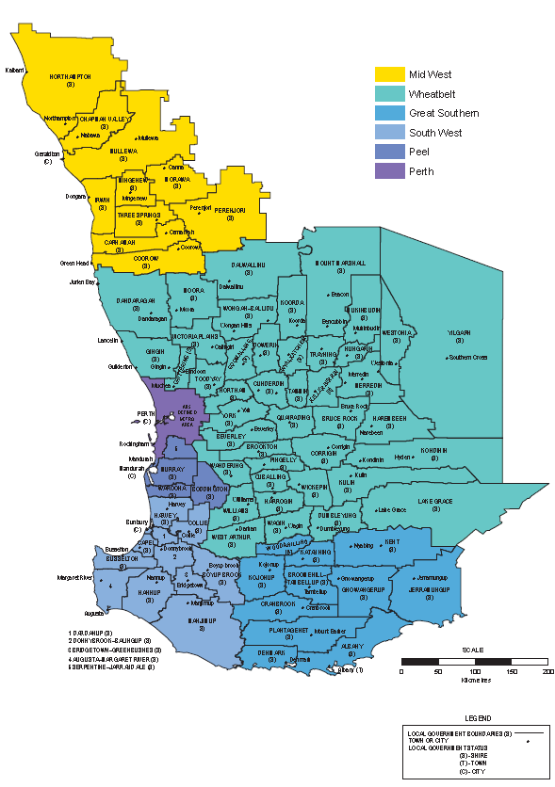
Offshore Petroleum | 37,377,105,642 | Lake Grace | 3,113,964
 |  | Dalwallinu | 1,136,650
Goldfields-Esperance | 2019-2020 | Wyalkatchem and Dowerin | 711,828
Laverton | 3,675,188,884 | Koorda | 431,273
Coolgardie | 3,594,037,264 | Wheatbelt Total | 2,135,491,075
Kalgoorlie-Boulder | 2,829,223,269
Leonora | 2,264,283,820 | Kimberley | 2019-2020
Menzies | 845,694,243 | Derby-West Kimberley | 319,802,570
Dundas | 813,444,552 | Wyndham-East Kimberley | 241,339,127
Ravensthorpe | 126,428,747 | Halls Creek | 197,484,439
Esperance | 104,107,650 | Broome | 6,415,723
Goldfields-Esperance Total | 14,252,408,428 | Kimberley Total | 765,041,859

Peel | 2019-2020 | South West | 2019-2020
Boddington | 1,768,944,111 | Collie | 2,626,808,538
Peel Total | 1,768,944,111 | Bridgetown-Greenbushes | 414,811,275
 |  | Capel and Bunbury | 90,740,131
Mid West Total | 2019-2020 | Busselton and Augusta-Margaret River | 21,649,065
Meekatharra | 1,218,838,832 | Donnybrook-Balingup | 179,233
Perenjori | 894,590,881 | Manjimup | 151,091
Yalgoo | 866,119,424 | South West Total | 3,154,339,333
Wiluna | 850,383,552
Mt Magnet | 576,323,363 | Gascoyne | 2019-2020
Cue | 166,323,567 | Shark Bay | 51,233,044
Geraldton | 110,666,803 | Carnarvon | 45,777,901
Irwin | 33,480,662 | Exmouth | 782,873
Carnamah and Three Springs | 39,075,189 | Upper Gascoyne | 1,424
Coorow | 1,456,895 | Gascoyne Total | 97,795,242
Mid West Total | 4,757,259,168
 |  | Perth Metropolitan | 2019-2020
Great Southern | 2019-2020 | Kwinana | 4,116,747,941
Albany, Plantagenet and Denmark | 7,302,294 | Swan | 16,465,290
Great Southern Total | 7,302,294 | Cockburn | 13,476,502
 |  | Wanneroo | 3,228,214
 |  | Kalamunda and Rockingham | 634,208
 |  | Perth Metropolitan Total | 4,150,552,155

Value by Region Totals
Sales Value By Region 2019-20
Region | Value ($)
Pilbara | 103,262,990,316
Offshore | 37,377,105,642
Goldfields-Esperance | 14,252,408,428
Perth Metropolitan | 4,150,552,155
Mid West | 4,757,259,168
South West | 3,154,339,333
Peel | 1,768,944,111 | #REF!
Wheatbelt | 2,135,491,075
Kimberley | 765,041,859 |  | #REF!
Gascoyne | 97,795,242 |  | 171.7
Great Southern | 7,302,294
Total | 171,729,229,623

Mining Employment by Region
Mining Employment By Region And Local Government Area
Region and Local Government Area | 2018-19 NoI | 2019-20 NoI | 2018-19 FTE | 2019-20 FTE
Pilbara
Ashburton | 14,358 | 17,758 | 10,832 | 13,749
East Pilbara | 36,686 | 39,101 | 28,241 | 30,781
Karratha | 6,678 | 6,627 | 5,798 | 5,839
Port Hedland | 6,670 | 6,103 | 4,886 | 3,864
Total | 64,392 | 69,589 | 49,757 | 54,232
Goldfields-Esperance
Coolgardie | 4,283 | 4,140 | 3,699 | 3,280
Dundas | 626 | 733 | 830 | 865
Esperance | 216 | 435 | 117 | 160
Kalgoorlie-Boulder | 5,918 | 6,273 | 4,127 | 4,508
Laverton | 6,294 | 6,109 | 6,242 | 5,921
Leonora | 4,696 | 5,190 | 4,072 | 4,410
Menzies | 3,254 | 3,198 | 2,368 | 2,567
Ravensthorpe | 280 | 815 | 412 | 755
Total | 25,566 | 26,894 | 21,869 | 22,465
Peel
Boddington | 3,067 | 3,154 | 2,150 | 2,231
Mandurah | 2 | 1 | 2 | 1
Murray | 2,494 | 2,870 | 2,210 | 2,080
Serpentine-Jarrahdale | 483 | 415 | 167 | 123
Waroona | 1,350 | 1,819 | 1,127 | 1,192
Total | 7,397 | 8,259 | 5,656 | 5,626
Mid West
Meekatharra | 2,227 | 2,239 | 1,851 | 1,876
Carnamah | 132 | 165 | 74 | 82
Coorow | 22 | 14 | 4 | 4
Cue | 553 | 692 | 490 | 623
Geraldton | 845 | 860 | 339 | 342
Irwin | 99 | 85 | 32 | 23
Mt Magnet | 428 | 587 | 473 | 802
Murchison | 5 | 10 | 6 | 15
Northampton | 106 | 134 | 64 | 74
Perenjori | 1,616 | 1,579 | 1,283 | 1,337
Sandstone | 28 | 17 | 17 | 8
Three Springs | 62 | 54 | 25 | 22
Wiluna | 2,176 | 2,653 | 1,992 | 2,560
Yalgoo | 1,704 | 1,682 | 1,718 | 1,680
Total | 10,001 | 10,770 | 8,366 | 9,450
Great Southern
Albany | 111 | 107 | 22 | 23
Cranbrook | 0 | 1 | 0 | 0
Plantagenet | 14 | 12 | 8 | 8
Woodanilling | 1 | 1 | 0 | 0
Total | 125 | 121 | 31 | 31
Wheatbelt
Brookton | 2 | 2 | 0 | 0
Chittering | 154 | 151 | 219 | 216
Dalwallinu | 29 | 17 | 2 | 2
Dandaragan | 584 | 564 | 605 | 552
Dowerin | 5 | 2 | 2 | 1
Gingin | 316 | 349 | 207 | 240
Kellerberrin | 23 | 24 | 4 | 5
Kondinin | 374 | 362 | 351 | 336
Koorda | 17 | 7 | 1 | 0
Lake Grace | 268 | 243 | 204 | 196
Moora | 41 | 35 | 17 | 14
Narrogin | 6 | 6 | 2 | 2
Northam | 395 | 296 | 126 | 73
Toodyay | 32 | 32 | 18 | 15
Wagin | 1 | 3 | 1 | 1
West Arthur | 1 | 2 | 0 | 0
Westonia | 110 | 108 | 196 | 233
Wickepin | 1 | 0 | 0 | 0
Wyalkatchem | 2 | 2 | 0 | 0
Yilgarn | 821 | 1,363 | 866 | 1,397
Total | 3,181 | 3,568 | 2,822 | 3,285
Kimberley
Wyndham-East Kimberley | 922 | 687 | 847 | 630
Broome | 14 | 6 | 22 | 5
Derby-West Kimberley | 366 | 525 | 359 | 544
Halls Creek | 307 | 308 | 593 | 634
Total | 1,609 | 1,525 | 1,821 | 1,812
South West
Collie | 2,850 | 2,850 | 2,558 | 2,415
Augusta-Margaret River | 15 | 13 | 8 | 8
Bridgetown-Greenbushes | 340 | 298 | 295 | 267
Bunbury | 1,588 | 1,343 | 1,048 | 753
Busselton | 147 | 132 | 66 | 67
Capel | 793 | 744 | 376 | 336
Donnybrook-Balingup | 3 | 3 | 4 | 3
Harvey | 595 | 595 | 687 | 678
Total | 6,332 | 5,979 | 5,042 | 4,525
Gascoyne
Carnarvon | 199 | 196 | 126 | 135
Exmouth | 7 | 8 | 2 | 2
Shark Bay | 68 | 73 | 61 | 69
Upper Gascoyne | 10 | 0 | 12 | 0
Total | 285 | 276 | 201 | 207
Perth Metropolitan
Armadale | 67 | 64 | 83 | 77
Belmont | 191 | 231 | 92 | 99
Canning | 21 | 0 | 8 | 0
Cockburn | 280 | 125 | 25 | 27
Fremantle | 4 | 4 | 3 | 3
Gosnells | 595 | 556 | 167 | 137
Kwinana | 1,718 | 2,104 | 1,381 | 1,418
Mundarring | 5 | 6 | 5 | 5
Rockingham | 911 | 962 | 605 | 727
Swan | 446 | 446 | 97 | 89
Wanneroo | 574 | 520 | 84 | 78
Total | 4,810 | 5,016 | 2,549 | 2,658
Grand Total | 123,698 | 131,998 | 98,115 | 104,291

Data excludes exploration and petroleum employment

Mining Tenements in Force
 | 19957 | 41549 | 20613 | 39255 | 25122 | 26838 | 16281 | 23751.251 | 17326 | 23527.819 | 16487 | 23988.263 | 16006 | 26781 | 15967 | 26317 | 16347 | 27610 | 17758 | 36324 | 19047 | 45806 | 21026 | 58766 | 20385 | 48843 | 21163 | 51700 | 22182 | 60282 | 23474 | 68935 | 23095 | 61704 | 22041 | 54162 | 20647 | 46603 | 19276 | 37603 | 20185 | 42505 | 20644 | 44244 | 21348 | 47189 | 21574 | 49337 | 0 | 0 | 0 | 0 | 0 | 0 | 0 | 0 | 0 | 0 | 0 | 0 | 0 | 0 | 0 | 0
 | 1996 |  | 1997 |  | 1998 |  | 1999 |  | 2000 |  | 2001 |  | 2002 |  | 2003 |  | 2004 |  | 2005 |  | 2006 |  | 2007 |  | 2008 |  | 2009 |  | 2010 |  | 2011 |  | 2012 |  | 2013 |  | 2014 |  | 2015 |  | 2016 |  | 2017 |  | 2018 |  | 2019 |  | 0 |  | 0 |  | 0 |  | 0 |  | 0 |  | 0 |  | 0 |  | 0

 | 1996-97 |  | 1997-98 |  | 1998-99 |  | 1999-00 |  | 2000-01 |  | 2001-02 |  | 2002-03 |  | 2003-04 |  | 2004-05 |  | 2005-06 |  | 2006-07 |  | 2007-08 |  | 2008-09 |  | 2009-10 |  | 2010-11 |  | 2011-12 |  | 2012-13 |  | 2013-14 |  | 2014-15 |  | 2015-16 |  | 2016-17 |  | 2017-18 |  | 2018-19 |  | 2019-20
 | Number | '000 ha | Number | '000 ha | Number | '000 ha | Number | '000 ha | Number | '000 ha | Number | '000 ha | Number | '000 ha | Number | '000 ha | Number | '000 ha | Number | '000 ha | Number | '000 ha | Number | '000 ha | Number | '000 ha | Number | '000 ha | Number | '000 ha | Number | '000 ha | Number | '000 ha | Number | '000 ha | Number | '000 ha | Number | '000 ha | Number | '000 ha | Number | '000 ha | Number | '000 ha | Number | '000 ha
Prospecting Licences | 8,212 | 1,100 | 7,525 | 992 | 6,242 | 809 | 5,827 | 745 | 5,512 | 711 | 4,964 | 634 | 4,566 | 575 | 4,561 | 568 | 4,665 | 586 | 5,056 | 638 | 5,376 | 682 | 6,260 | 800 | 7,110 | 913 | 7,032 | 890 | 7,106 | 897 | 7,265 | 910 | 6,834 | 851 | 6,605 | 825 | 6,018 | 741 | 5,252 | 647 | 5,335 | 669 | 5,257 | 660 | 5,391 | 674 | 5,335 | 657
Exploration Licences | 4,718 | 38,279 | 4,505 | 35,993 | 3,463 | 23,732 | 3,394 | 20,687 | 3,162 | 18,152 | 2,899 | 18,556 | 2,855 | 21,123 | 2,917 | 20,896 | 3,066 | 22,215 | 3,966 | 30,822 | 4,766 | 40,031 | 5,427 | 51,790 | 4,959 | 42,367 | 5,297 | 44,123 | 6,050 | 52,205 | 6,969 | 60,396 | 6,503 | 52,895 | 5,723 | 45,059 | 4,983 | 37,419 | 4,529 | 31,387 | 5,020 | 33,862 | 5,474 | 35,790 | 5,855 | 38,373 | 5,921 | 40,466
Mining Leases | 5,180 | 2,047 | 6,690 | 2,031 | 7,555 | 2,263 | 4,865 | 1,829 | 4,841 | 1,803 | 4,820 | 1,774 | 4,770 | 1,762 | 4,713 | 1,716 | 5,172 | 1,805 | 5,118 | 1,806 | 5,090 | 1,824 | 5,475 | 2,036 | 5,618 | 2,065 | 5,764 | 2,125 | 5,845 | 2,233 | 5,897 | 2,285 | 6,195 | 2,451 | 6,020 | 2,400 | 5,859 | 2,377 | 5,873 | 2,394 | 5,827 | 2,412 | 5,840 | 2,466 | 5,862 | 2,521 | 5,881 | 2,542
Other | 1,537 | 89 | 1,584 | 205 |  |  | 2,001 | 468 | 3,625 | 2,840 | 3,618 | 3,002 | 3,629 | 3,299 | 3,590 | 3,115 | 3,258 | 2,982 | 3,432 | 3,037 | 3,629 | 3,248 | 3,678 | 4,119 | 2,512 | 3,477 | 2,884 | 4,541 | 2,995 | 4,926 | 3,157 | 5,323 | 3,377 | 5,486 | 3,507 | 5,857 | 3,598 | 6,045 | 3,436 | 3,154 | 3,817 | 5,541 | 3,887 | 5,307 | 4,055 | 5,600 | 4,251 | 5,651
Mineral Claims & Other 1904 Act | 310 | 34 | 309 | 34 | 307 | 34 | 194 | 22 | 186 | 21 | 186 | 22 | 186 | 22 | 186 | 22 | 186 | 22 | 186 | 21 | 186 | 21 | 186 | 21 | 186 | 21 | 186 | 21 | 186 | 21 | 186 | 21 | 186 | 21 | 186 | 21 | 189 | 21 | 186 | 21 | 186 | 21 | 186 | 21 | 185 | 21 | 186 | 21
Total Mining Tenements | 19,957 | 41,549 | 20,613 | 39,255 | 25,122 | 26,838 | 16,281 | 23,751 | 17,326 | 23,528 | 16,487 | 23,988 | 16,006 | 26,781 | 15,967 | 26,317 | 16,347 | 27,610 | 17,758 | 36,324 | 19,047 | 45,806 | 21,026 | 58,766 | 20,385 | 48,843 | 21,163 | 51,700 | 22,182 | 60,282 | 23,474 | 68,935 | 23,095 | 61,704 | 22,041 | 54,162 | 20,647 | 46,603 | 19,276 | 37,603 | 20,185 | 42,505 | 20,644 | 44,244 | 21,348 | 47,189 | 21,574 | 49,337

Mining tenements in force
 |  |  |  |  |  |  |  |  |  |  |  |  |  |  |  |  |  |  | Calendar Year Comparison |  |  |  |  |  |  |  |  |  |  |  |  |  | Total Mining Tenements
 |  |  |  |  |  |  |  |  |  |  |  |  |  |  |  |  |  |  |  |  |  |  | 2016 |  | 2017 |  | 2018 |  | 2019 |  |  |  | Year | Number | Area ('000 ha)
 |  |  |  |  |  |  |  |  |  |  |  |  |  |  |  |  |  |  |  |  |  |  | Number | '000 ha | Number | '000 ha | Number | '000 ha | Number | 000 ha |  |  | 2000-01 | 17,326 | 23,528
 |  |  |  |  |  |  |  |  |  |  |  |  |  |  |  |  |  |  | Prospecting Licences |  |  |  | 4,887 | 599 | 5,403 | 684 | 5,355 | 672 | 5,290 | 654 |  |  | 2001-02 | 16,487 | 23,988
 |  |  |  |  |  |  |  |  |  |  |  |  |  |  |  |  |  |  | Exploration Licences |  |  |  | 4,755 | 32,673 | 5,227 | 33,764 | 5,684 | 37,783 | 5,868 | 40,415 |  |  | 2002-03 | 16,006 | 26,781
 |  |  |  |  |  |  |  |  |  |  |  |  |  |  |  |  |  |  | Mining Leases |  |  |  | 5,867 | 2,407 | 5,835 | 2,420 | 5,849 | 2,511 | 5,873 | 2,532 |  |  | 2003-04 | 15,967 | 26,317
 |  |  |  |  |  |  |  |  |  |  |  |  |  |  |  |  |  |  | Other |  |  |  | 3,477 | 2,975 | 3,834 | 5,586 | 3,966 | 5,391 | 4,183 | 5,589 |  |  | 2004-05 | 16,347 | 27,610
 |  |  |  |  |  |  |  |  |  |  |  |  |  |  |  |  |  |  | Mineral Claims & Other 1904 Act |  |  |  | 186 | 21 | 186 | 21 | 186 | 21 | 185 | 21 |  |  | 2005-06 | 17,758 | 36,324
 |  |  |  |  |  |  |  |  |  |  |  |  |  |  |  |  |  |  | Total Mining Tenements |  |  |  | 19,172 | 38,675 | 20,485 | 42,475 | 21,040 | 46,378 | 21,399 | 49,211 |  |  | 2006-07 | 19,047 | 45,806
 |  |  |  |  |  |  |  |  |  |  |  |  |  |  |  |  |  |  |  |  |  |  |  |  |  |  |  |  |  |  |  |  | 2007-08 | 21,026 | 58,766
 |  |  |  |  |  |  |  |  |  |  |  |  |  |  |  |  |  |  |  |  |  |  |  |  |  |  |  |  |  |  |  |  | 2008-09 | 20,385 | 48,843
 |  |  |  |  |  |  |  |  |  |  |  |  |  |  |  |  |  |  |  |  |  |  |  |  |  |  |  |  |  |  |  |  | 2009-10 | 21,163 | 51,700
 |  |  |  |  |  |  |  |  |  |  |  |  |  |  |  |  |  |  |  |  |  |  |  |  |  |  |  |  |  |  |  |  | 2010-11 | 22,182 | 60,282
 |  |  |  |  |  |  |  |  |  |  |  |  |  |  |  |  |  |  |  |  |  |  |  |  |  |  |  |  |  |  |  |  | 2011-12 | 23,474 | 68,935
 |  |  |  |  |  |  |  |  |  |  |  |  |  |  |  |  |  |  |  |  |  |  |  |  |  |  |  |  |  |  |  |  | 2012-13 | 23,095 | 61,704
 |  |  |  |  |  |  |  |  |  |  |  |  |  |  |  |  |  |  |  |  |  |  |  |  |  |  |  |  |  |  |  |  | 2013-14 | 22,041 | 54,162
 |  |  |  |  |  |  |  |  |  |  |  |  |  |  |  |  |  |  |  |  |  |  |  |  |  |  |  |  |  |  |  |  | 2014-15 | 20,647 | 46,603
 |  |  |  |  |  |  |  |  |  |  |  |  |  |  |  |  |  |  |  |  |  |  |  |  |  |  |  |  |  |  |  |  | 2015-16 | 19,276 | 37,603
 |  |  |  |  |  |  |  |  |  |  |  |  |  |  |  |  |  |  |  |  |  |  |  |  |  |  |  |  |  |  |  |  | 2016-17 | 20,185 | 42,505
 |  |  |  |  |  |  |  |  |  |  |  |  |  |  |  |  |  |  |  |  |  |  |  |  |  |  |  |  |  |  |  |  | 2017-18 | 20,644 | 44,244
 |  |  |  |  |  |  |  |  |  |  |  |  |  |  |  |  |  |  |  |  |  |  |  |  |  |  |  |  |  |  |  |  | 2018-19 | 21,348 | 47,189
 |  |  |  |  |  |  |  |  |  |  |  |  |  |  |  |  |  |  |  |  |  |  |  |  |  |  |  |  |  |  |  |  | 2019-20 | 21,574 | 49,337 |  |  |  |  | Chart Data
 |  |  |  |  |  |  |  |  |  |  |  |  |  |  |  |  |  |  |  |  |  |  |  |  |  |  |  |  |  |  |  |  |  |  |  |  |  |  |  | Total Mining Tenements
 |  |  |  |  |  |  |  |  |  |  |  |  |  |  |  |  |  |  |  |  |  |  |  |  |  |  |  |  |  |  |  |  |  |  |  |  |  |  |  | Click above to change chart data

Petroleum Titles in Force
The Total Area for the Petroleum (Submerged Lands) Act 1982 excludes Pipeline Licences due to different units (i.e. km2 vs km)
The Total Area is the sum of the Total Area for the Petroleum (Submerged Lands) Act 1982 and Petroleum and Geothermal Energy Resources Act 1967, and does not include the Total Area of the Petroleum Pipelines Act 1969 due to different units (i.e. km2 vs km).
WA Petroleum Titles (As At 10/09/2020) By Title Type
Legislation | Title Type | Area | Blocks | Number of Titles
Petroleum (Submerged Lands) Act 1982 |  | 3,199.5137 km2 | 82 | 45
 | Exploration Permit | 1,290.7111 km2 | 44 | 5
 | Pipeline Licence | 627.3461 km | 0 | 25
 | Production Licence | 1,668.8048 km2 | 31 | 10
 | Retention Lease | 239.9978 km2 | 7 | 5
Petroleum and Geothermal Energy Resources Act 1967 |  | 67,064.3610 km2 | 889 | 68
 | Access Authority | km2 | 6
 | Exploration Permit | 62,560.5257 km2 | 809 | 41
 | Petroleum Lease | 260.1000 km2 | 9 | 1
 | Production Licence | 3,594.3385 km2 | 56 | 21
 | Retention Lease | 649.3968 km2 | 9 | 4
Petroleum Pipelines Act 1969 |  | 7,232.3633 km | 9 | 109
 | Pipeline Licence | 7,232.3633 km | 9 | 109
Total |  | 70,263.8747 km2 | 980 | 222

WA Petroleum Titles (As At 17/03/2020) By Title Type
Legislation | Title Type | Area | Blocks | Number of Titles
Petroleum (Submerged Lands) Act 1982 |  | 4,081.1588 km2 | 104 | 47
 | Exploration Permit | 1,290.7111 km2 | 50 | 6
 | Pipeline Licence | 627.3461 km | 0 | 25
 | Production Licence | 1,859.8048 km2 | 31 | 10
 | Retention Lease | 930.6429 km2 | 23 | 6
Petroleum and Geothermal Energy Resources Act 1967 |  | 66,290.9964 km2 | 879 | 70
 | Access Authority | - | 6 | 1
 | Exploration Permit | 61,782.2636 km2 | 798 | 42
 | Petroleum Lease | 260.1 km2 | 9 | 1
 | Production Licence | 3,594.3385 km2 | 56 | 21
 | Retention Lease | 654.2943 km2 | 10 | 5
Petroleum Pipelines Act 1969 |  | 7,238.0433 km | 9 | 108
 | Pipeline Licence | 7,238.0433 km | 9 | 108
Total |  | 70,372.1552 km2 | 992 | 225

WA Petroleum Titles (as at 12/08/2019) By Title Type
Legislation | Title Type | Area | Blocks | Number of Titles
Petroleum (Submerged Lands) Act 1982 |  | 4,081.1588 km2 | 104 | 45
 | Exploration Permit | 1,290.7111 km2 | 52 | 6
 | Pipeline Licence | 627.3461 km2 | 0 | 25
 | Production Licence | 1,859.8048 km2 | 31 | 10
 | Retention Lease | 930.6429 km2 | 21 | 4
Petroleum and Geothermal Energy Resources Act 1967 |  | 70,388.2900 km2 | 907 | 70
 | Exploration Permit | 65,879.5572 km2 | 832 | 43
 | Petroleum Lease | 260.1000 km2 | 9 | 1
 | Production Licence | 3,594.3385 km2 | 56 | 21
 | Retention Lease | 654.2943 km2 | 10 | 5
Petroleum Pipelines Act 1969 |  | 7,228.0633 km | 9 | 106
 | Pipeline Licence | 7,228.0633 km | 9 | 106
Total |  | 74,469.4488 km2 | 1,020 | 221

WA Petroleum Titles (as at 24/02/2019) By Title Type
Legislation | Title Type | Area | Blocks | Number of Titles
Petroleum (Submerged Lands) Act 1982 |  | 4,081.1588 km2 | 104 | 45
 | Exploration Permit | 1,290.7111 km2 | 52 | 6
 | Pipeline Licence | 627.3461 km2 | 0 | 25
 | Production Licence | 1,859.8048 km2 | 31 | 10
 | Retention Lease | 930.6429 km2 | 21 | 4
Petroleum and Geothermal Energy Resources Act 1967 |  | 282,747.7887 km2 | 3,658 | 85
 | Access Authority | - | 1 | 1
 | Exploration Permit | 65,927.5227 km2 | 835 | 45
 | Petroleum Lease | 260.1000 km2 | 9 | 1
 | Production Licence | 3,594.3385 km2 | 56 | 21
 | Retention Lease | 654.2943 km2 | 10 | 5
 | Special Prospecting Authority | 212,311.5332 km2 | 2,747 | 12
Petroleum Pipelines Act 1969 |  | 6,954.7783 km | 9 | 106
 | Pipeline Licence | 6,954.7783 km | 9 | 106
Total |  | 286,828.9475 km2 | 3,771 | 236

WA Petroleum Titles (as at 21/08/2018) By Title Type
Legislation | Title Type | Area | Blocks | Number of Titles
Petroleum (Submerged Lands) Act 1982 |  | 5,338.9988 km2 | 117 | 45
 | Exploration Permit | 2,548.5511 km2 | 65 | 6
 | Pipeline Licence | 627.3461 km | 0 | 25
 | Production Licence | 1.859.8048 km2 | 31 | 10
 | Retention Lease | 930.6429 km2 | 21 | 4
Petroleum and Geothermal Energy Resources Act 1967 |  | 73210.7829 km2 | 965 | 75
 | Access Authority | 737.4804 km2 | 11 | 2
 | Exploration Permit | 68,113.846 km2 | 881 | 47
 | Petroleum Lease | 260.1000 km2 | 9 | 1
 | Production Licence | 3,445.0622 km2 | 54 | 20
 | Retention Lease | 654.2943 km2 | 10 | 5
Petroleum Pipelines Act 1969 |  | 6,949.7183 km | 9 | 101
 | Pipeline Licence | 6,949.7183 km | 9 | 101
Total |  | 78549.7817 km2 | 1,091 | 221

WA Petroleum Titles (as at 15/03/2018) By Title Type
Legislation | Title Type | Area | Blocks | Number of Titles
Petroleum (Submerged Lands) Act 1982 |  | 5,338.9988 km2 | 117 | 45
 | Exploration Permit | 2,548.5511 km2 | 65 | 6
 | Pipeline Licence | 627.3461 km | 0 | 25
 | Production Licence | 1,859.8048 km2 | 31 | 10
 | Retention Lease | 930.6429 km2 | 21 | 4
Petroleum and Geothermal Energy Resources Act 1967 |  | 76,197.7037 km2 | 1,003 | 78
 | Access Authority | 737.4804 km2 | 11 | 2
 | Exploration Permit | 68,778.0477 km2 | 890 | 48
 | Petroleum Lease | 260.1000 km2 | 9 | 1
 | Production Licence | 3,445.0622 km2 | 54 | 20
 | Retention Lease | 876.5685 km2 | 13 | 6
 | Special Prospecting Authority | 2,100.4449 km2 | 26 | 1
Petroleum Pipelines Act 1969 |  | 6,949.7183 km | 9 | 101
 | Pipeline Licence | 6,949.7183 km | 9 | 101
Total |  | 81,536.7025 km2 | 1,129 | 224

Mining Tenement Activity
Tenement Activity July 2018 to June 2020
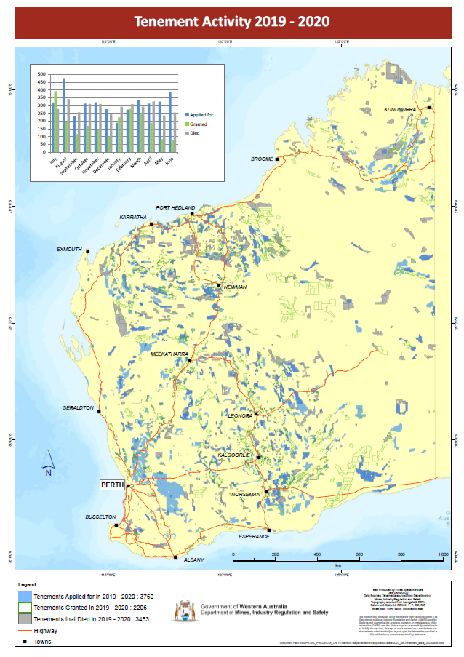
 | July 2018 to June 2020
Month | Applied For | Granted | Died | Net
2018-07-01 | 464 | 252 | 281 | -29
2018-08-01 | 268 | 183 | 180 | 3
2018-09-01 | 247 | 132 | 160 | -28 | Tenement Activity July 2018 to June 2020
2018-10-01 | 342 | 189 | 272 | -83
2018-11-01 | 424 | 234 | 225 | 9
2018-12-01 | 214 | 96 | 241 | -145
2019-01-01 | 200 | 204 | 189 | 15
2019-02-01 | 280 | 296 | 236 | 60
2019-03-01 | 340 | 158 | 233 | -75
2019-04-01 | 224 | 197 | 213 | -16
2019-05-01 | 251 | 123 | 240 | -117
2019-06-01 | 300 | 98 | 316 | -218
2019-07-01 | 320 | 392 | 277 | 115
2019-08-01 | 475 | 192 | 341 | -149
2019-09-01 | 232 | 116 | 257 | -141
2019-10-01 | 313 | 169 | 310 | -141
2019-11-01 | 321 | 148 | 310 | -162
Tenement Activity July 2018 to June 2020
2019-12-01 | 276 | 100 | 246 | -146
2020-01-01 | 189 | 224 | 292 | -68
2020-02-01 | 274 | 277 | 309 | -32
2020-03-01 | 332 | 243 | 293 | -50
2020-04-01 | 313 | 187 | 327 | -140
2020-05-01 | 326 | 83 | 236 | -153
2020-06-01 | 389 | 75 | 255 | -180
Total | 7314 | 4368 | 6239 | -1871

