Crude & Cond Qty & Value
CRUDE OIL AND CONDENSATE
Quantity and Value by Quarter
 | Crude Oil |  | Condensate |  | Combined Total
Quarter | Quantity | Value | Quantity | Value | Quantity | Value
 | (GL) | ($M) | (GL) | ($M) | (GL) | ($M)
Mar-99 | 1.762064 | 200.012953 | 1.245798 | 148.503159 | 3.007862 | 348.516112
Jun-99 | 1.457494 | 207.422532 | 1.255480 | 193.994733 | 2.712974 | 401.417265
Sep-99 | 2.285080 | 475.876440 | 1.578183 | 318.314377 | 3.863263 | 794.190817
Dec-99 | 2.985801 | 675.979098 | 1.485668 | 352.485405 | 4.471469 | 1028.464503
Mar-00 | 3.522244 | 988.315170 | 1.718686 | 477.418851 | 5.240930 | 1465.734021
Jun-00 | 3.260481 | 1004.595930 | 1.565111 | 435.719816 | 4.825592 | 1440.315746
Sep-00 | 3.501481 | 1287.898710 | 1.521156 | 524.732607 | 5.022637 | 1812.631317
Dec-00 | 3.459209 | 1191.606336 | 1.391394 | 508.499714 | 4.850603 | 1700.106050
Mar-01 | 3.756252 | 1238.314519 | 1.461999 | 472.859673 | 5.218251 | 1711.174192
Jun-01 | 3.240332 | 1074.232517 | 1.434911 | 478.434946 | 4.675243 | 1552.667463
Sep-01 | 3.586704 | 1115.118109 | 1.606054 | 481.962243 | 5.192758 | 1597.080352
Dec-01 | 3.477967 | 818.917954 | 1.512104 | 354.651475 | 4.990071 | 1173.569429
Mar-02 | 4.086062 | 1117.345473 | 1.526897 | 371.240798 | 5.612959 | 1488.586271
Jun-02 | 3.937119 | 1147.329175 | 1.680948 | 472.178990 | 5.618067 | 1619.508165
Sep-02 | 3.731212 | 1198.210710 | 1.897149 | 573.095771 | 5.628361 | 1771.306481
Dec-02 | 3.534023 | 1039.833700 | 1.773567 | 512.060286 | 5.307590 | 1551.893986
Mar-03 | 3.114981 | 1059.507882 | 1.767471 | 585.914329 | 4.882452 | 1645.422211
Jun-03 | 3.624083 | 960.572505 | 1.495969 | 375.292387 | 5.120052 | 1335.864892
Sep-03 | 3.913963 | 1060.135830 | 1.834051 | 480.415191 | 5.748014 | 1540.551021
Dec-03 | 3.466307 | 946.846230 | 1.296253 | 333.373760 | 4.762560 | 1280.219990
Mar-04 | 3.210396 | 909.282898 | 1.595933 | 450.415677 | 4.806329 | 1359.698575
Jun-04 | 2.632450 | 857.376230 | 1.455247 | 483.301961 | 4.087697 | 1340.678191
Sep-04 | 3.354001 | 1316.430947 | 1.050774 | 585.406283 | 4.404775 | 1901.837230
Dec-04 | 3.022000 | 1126.220000 | 1.381448 | 503.848190 | 4.403448 | 1630.068190
Mar-05 | 2.915923 | 1152.832759 | 1.450940 | 557.825194 | 4.366863 | 1710.657953
Jun-05 | 3.481104 | 1581.361489 | 1.290584 | 556.043600 | 4.771688 | 2137.405089
Sep-05 | 3.609687 | 1873.904747 | 1.567458 | 759.647615 | 5.177145 | 2633.552362
Dec-05 | 3.167183 | 1554.171375 | 1.575518 | 703.383190 | 4.742701 | 2257.554565
Mar-06 | 2.141606 | 1170.144187 | 1.303336 | 673.697427 | 3.444942 | 1843.841614
Jun-06 | 2.224502 | 1303.071078 | 1.179875 | 654.898327 | 3.404377 | 1957.969405
Sep-06 | 3.808960 | 2275.990215 | 1.431291 | 805.000332 | 5.240251 | 3080.990547
Dec-06 | 3.778724 | 1853.595174 | 1.694649 | 806.589993 | 5.473373 | 2660.185167
Mar-07 | 3.356817 | 1615.211877 | 1.523692 | 709.921481 | 4.880509 | 2325.133358
Jun-07 | 3.311043 | 1784.797076 | 1.210440 | 650.896293 | 4.521483 | 2435.693369
Sep-07 | 2.960665 | 1682.463040 | 1.652281 | 931.522940 | 4.612946 | 2613.985980
Dec-07 | 3.567267 | 2301.820257 | 1.469241 | 944.414304 | 5.036508 | 3246.234561
Mar-08 | 2.838550 | 1925.871791 | 1.378117 | 859.909198 | 4.216667 | 2785.780989
Jun-08 | 3.281044 | 2756.062200 | 1.264117 | 958.823428 | 4.545161 | 3714.885628
Sep-08 | 3.519880 | 3103.927657 | 1.433894 | 1136.337842 | 4.953774 | 4240.265499
Dec-08 | 3.684948 | 1951.758672 | 1.648885 | 557.346436 | 5.333833 | 2509.105108
Mar-09 | 3.102863 | 1323.920370 | 1.824814 | 724.522660 | 4.927677 | 2048.443030
Jun-09 | 2.729242 | 1330.889998 | 1.749508 | 690.580354 | 4.478750 | 2021.470352
Sep-09 | 2.609169 | 1363.173431 | 1.932089 | 875.692288 | 4.541258 | 2238.865719
Dec-09 | 2.805643 | 1487.464219 | 1.986133 | 831.161436 | 4.791776 | 2318.625655
Mar-10 | 2.347594 | 1241.589283 | 1.688388 | 878.403170 | 4.035982 | 2119.992453
Jun-10 | 4.079669 | 2292.844911 | 1.811402 | 915.929361 | 5.891071 | 3208.774272
Sep-10 | 4.370842 | 2437.628953 | 1.901114 | 942.453629 | 6.271956 | 3380.082582
Dec-10 | 3.906895 | 2275.246484 | 1.814685 | 968.647318 | 5.721580 | 3243.893802
Mar-11 | 2.692443 | 1813.227293 | 1.674427 | 1075.073812 | 4.366870 | 2888.301105
Jun-11 | 2.954667 | 2002.759791 | 1.491565 | 1002.349577 | 4.446232 | 3005.109368
Sep-11 | 3.020804 | 1952.953034 | 1.488549 | 986.183910 | 4.509353 | 2939.136944
Dec-11 | 3.385579 | 2262.003456 | 1.627686 | 1024.790227 | 5.013265 | 3286.793683
Mar-12 | 2.409443 | 1822.344396 | 1.595084 | 1063.177745 | 4.004527 | 2885.522141
Jun-12 | 2.305790 | 1639.332573 | 1.177289 | 767.959689 | 3.483079 | 2407.292262
Sep-12 | 2.689325 | 1878.841699 | 1.668219 | 1042.788711 | 4.357544 | 2921.630410
Dec-12 | 2.587123 | 1759.074867 | 1.558918 | 988.374970 | 4.146041 | 2747.449837
Mar-13 | 1.536631 | 1095.996523 | 1.429154 | 948.418829 | 2.965785 | 2044.415352
Jun-13 | 1.796346 | 1238.145111 | 1.460677 | 942.450014 | 3.257023 | 2180.595125
Sep-13 | 1.880603 | 1474.858632 | 1.674964 | 1183.977205 | 3.555567 | 2658.835837
Dec-13 | 1.684320 | 1323.590153 | 1.392476 | 1014.919457 | 3.076796 | 2338.509610
Mar-14 | 2.189111 | 1738.390266 | 1.251656 | 912.162213 | 3.440767 | 2650.552479
Jun-14 | 1.576743 | 1209.621038 | 1.240125 | 894.425910 | 2.816868 | 2104.046948
Sep-14 | 1.795576 | 1284.347919 | 1.879727 | 1202.233976 | 3.675303 | 2486.581895
Dec-14 | 2.375301 | 1421.785529 | 1.704470 | 955.244675 | 4.079771 | 2377.030204
Mar-15 | 1.919056 | 885.962532 | 1.680854 | 627.097751 | 3.599910 | 1513.060283
Jun-15 | 1.753893 | 913.286171 | 1.488161 | 667.635810 | 3.242054 | 1580.921981

Gas Prices Calendar year
NATURAL GAS DATA
Source: Western Australian Mineral and Petroleum Statistics Digests
 | CONVERSION OF NATURAL GAS TO COST PER GIGAJOULE
Western Australian Average Domestic Natural Gas Price
 | The value of Western Australian domestic gas sales is based on the summation of total domestic gas sale values as at the point of entry into the Dampier to Bunbury Natural Gas Pipeline (DBNGP) or where applicable, the Parmelia and Goldfields pipeline.

 | cubic metres natural gas | terajoules 10^12 | gigajoules 10^9 | Value of WA domestic Gas Sales | A$ price / gigajoule | Percentage increase / decrease | US$ exchange rate | US$ price / gigajoule

1990 | 3,698,843,000 | 140,640 | 140,640,418 | $366,425,052 | $2.61 |  | 0.7799 | $2.03
1991 | 3,738,455,000 | 142,147 | 142,146,578 | $372,203,226 | $2.62 | 0.5% | 0.7803 | $2.04
1992 | 3,776,068,000 | 143,577 | 143,576,730 | $368,955,578 | $2.57 | -1.9% | 0.7312 | $1.88
1993 | 4,210,825,000 | 160,107 | 160,107,414 | $422,956,897 | $2.64 | 2.8% | 0.6797 | $1.80
1994 | 4,915,310,000 | 186,894 | 186,893,916 | $441,964,508 | $2.36 | -10.5% | 0.7346 | $1.74
1995 | 5,827,413,000 | 221,575 | 221,574,639 | $421,922,591 | $1.90 | -19.5% | 0.7394 | $1.41
1996 | 6,624,510,000 | 251,883 | 251,882,510 | $494,681,365 | $1.96 | 3.1% | 0.7846 | $1.54
1997 | 7,331,730,000 | 278,773 | 278,773,004 | $571,510,516 | $2.05 | 4.4% | 0.7385 | $1.51
1998 | 6,328,179,000 | 240,615 | 240,615,171 | $527,964,048 | $2.19 | 7.0% | 0.6299 | $1.38
1999 | 6,929,520,000 | 263,480 | 263,479,848 | $607,642,507 | $2.31 | 5.1% | 0.6453 | $1.49
2000 | 6,600,275,000 | 250,961 | 250,961,027 | $569,333,371 | $2.27 | -1.6% | 0.5819 | $1.32
2001 | 7,741,021,000 | 294,335 | 294,335,399 | $646,370,705 | $2.20 | -3.2% | 0.5174 | $1.14
2002 | 7,749,597,000 | 294,661 | 294,661,483 | $650,203,389 | $2.21 | 0.5% | 0.5439 | $1.20
2003 | 8,112,617,000 | 308,465 | 308,464,525 | $690,454,885 | $2.24 | 1.4% | 0.6527 | $1.46
2004 | 7,713,691,000 | 293,296 | 293,296,236 | $655,458,232 | $2.23 | -0.2% | 0.7350 | $1.64
2005 | 7,406,249,000 | 281,606 | 281,606,426 | $661,610,646 | $2.35 | 5.1% | 0.7622 | $1.79
2006 | 8,367,329,000 | 318,149 | 318,149,392 | $810,716,556 | $2.55 | 8.5% | 0.7534 | $1.92
2007 | 9,174,076,000 | 348,824 | 348,824,183 | $1,002,465,839 | $2.87 | 12.8% | 0.8386 | $2.41
2008 | 8,502,567,000 | 323,292 | 323,291,521 | $1,191,442,427 | $3.69 | 28.2% | 0.8524 | $3.14
2009 | 9,312,415,000 | 354,084 | 354,084,221 | $1,156,235,342 | $3.27 | -11.4% | 0.7925 | $2.59
2010 | 9,226,158,000 | 350,804 | 350,804,487 | $1,391,169,679 | $3.97 | 21.4% | 0.9202 | $3.65
2011 | 8,869,413,000 | 337,240 | 337,240,038 | $1,421,126,106 | $4.21 | 6.3% | 1.0307 | $4.34
2012 | 9,009,209,000 | 342,555 | 342,555,475 | $1,470,541,897 | $4.29 | 1.9% | 1.0351 | $4.44
2013 | 9,297,667,000 | 353,523 | 353,523,460 | $1,559,456,330 | $4.41 | 2.8% | 0.9675 | $4.27
2014 | 9,590,200,000 | 364,646 | 364,646,388 | $1,793,059,831 | $4.92 | 11.5% | 0.9026 | $4.44

Gas Prices Financial Year
NATURAL GAS DATA
Source: Western Australian Mineral and Petroleum Statistics Digests
 | CONVERSION OF NATURAL GAS TO COST PER GIGAJOULE
 | The value of Western Australian domestic gas sales is based on the summation of total domestic gas sale values as at the point of entry into the Dampier to Bunbury Natural Gas Pipeline (DBNGP) or where applicable, the Parmelia pipeline and Goldfields pipeline.

 | cubic metres natural gas | terajoules 10^12 | gigajoules 10^9 | Value of WA domestic Gas Sales | A$ price / gigajoule | Percentage increase / decrease | US$ exchange rate | US$ price / gigajoule

Western Australian Average Domestic Natural Gas Price
1990-91 | 3,613,720,000 | 137,404 | 137,403,802 | $379,228,944 | $2.76 |  | 0.7851 | $2.17
1991-92 | 3,768,848,000 | 143,302 | 143,302,205 | $349,257,426 | $2.44 | -11.7% | 0.7704 | $1.88
1992-93 | 3,960,289,000 | 150,581 | 150,581,331 | $407,019,305 | $2.70 | 10.9% | 0.6994 | $1.89
1993-94 | 4,456,991,000 | 169,467 | 169,467,338 | $413,371,442 | $2.44 | -9.8% | 0.6924 | $1.69
1994-95 | 5,366,201,000 | 204,038 | 204,038,061 | $445,714,284 | $2.18 | -10.4% | 0.7405 | $1.62
1995-96 | 6,309,564,000 | 239,907 | 239,907,376 | $454,763,779 | $1.90 | -13.2% | 0.7629 | $1.45
1996-97 | 6,892,911,000 | 262,088 | 262,087,871 | $534,648,055 | $2.04 | 7.6% | 0.7806 | $1.59
1997-98 | 6,881,954,000 | 261,671 | 261,671,255 | $557,469,068 | $2.13 | 4.4% | 0.6785 | $1.45
1998-99 | 6,439,699,000 | 244,855 | 244,855,475 | $549,830,769 | $2.25 | 5.4% | 0.6273 | $1.41
1999-00 | 6,546,244,000 | 248,907 | 248,906,616 | $578,766,829 | $2.33 | 3.5% | 0.6288 | $1.46
2000-01 | 7,625,011,000 | 289,924 | 289,924,373 | $630,363,197 | $2.17 | -6.5% | 0.5378 | $1.17
2001-02 | 7,533,986,000 | 286,463 | 286,463,346 | $643,277,079 | $2.25 | 3.3% | 0.5238 | $1.18
2002-03 | 8,120,105,000 | 308,749 | 308,749,240 | $661,920,544 | $2.14 | -4.5% | 0.5849 | $1.25
2003-04 | 8,060,544,000 | 306,485 | 306,484,563 | $694,071,814 | $2.26 | 5.6% | 0.7144 | $1.62
2004-05 | 7,642,801,000 | 290,601 | 290,600,798 | $678,722,971 | $2.34 | 3.1% | 0.7512 | $1.75
2005-06 | 7,713,414,000 | 293,286 | 293,285,703 | $703,282,553 | $2.40 | 2.7% | 0.7474 | $1.79
2006-07 | 8,714,911,000 | 331,365 | 331,365,437 | $919,485,832 | $2.77 | 15.7% | 0.7863 | $2.18
2007-08 | 9,159,074,000 | 348,254 | 348,253,764 | $1,025,195,256 | $2.94 | 6.1% | 0.8966 | $2.64
2008-09 | 8,598,035,000 | 326,921 | 326,921,483 | $1,232,178,988 | $3.77 | 28.0% | 0.7465 | $2.81
2009-10 | 9,357,026,000 | 355,780 | 355,780,456 | $1,320,801,777 | $3.71 | -1.5% | 0.8827 | $3.28
2010-11 | 8,862,205,000 | 336,966 | 336,965,970 | $1,384,042,831 | $4.11 | 10.6% | 0.9885 | $4.06
2011-12 | 9,110,271,000 | 346,398 | 346,398,137 | $1,454,459,941 | $4.20 | 2.2% | 1.0323 | $4.33
2012-13 | 8,713,949,000 | 327,907 | 327,906,806 | $1,434,550,872 | $4.37 | 4.2% | 1.0258 | $4.49
2013-14 | 9,736,820,000 | 370,221 | 370,221,293 | $1,734,960,459 | $4.69 | 7.1% | 0.9178 | $4.30
2014-15 | 9,875,375,000 | 375,490 | 375,489,544 | $1,863,824,613 | $4.96 | 5.9% | 0.8361 | $4.15

LNG and Dom Gas Prices
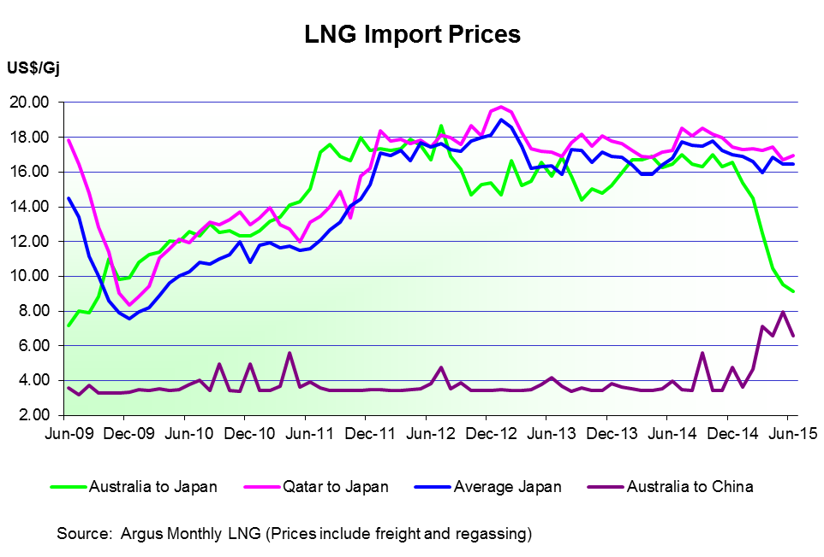

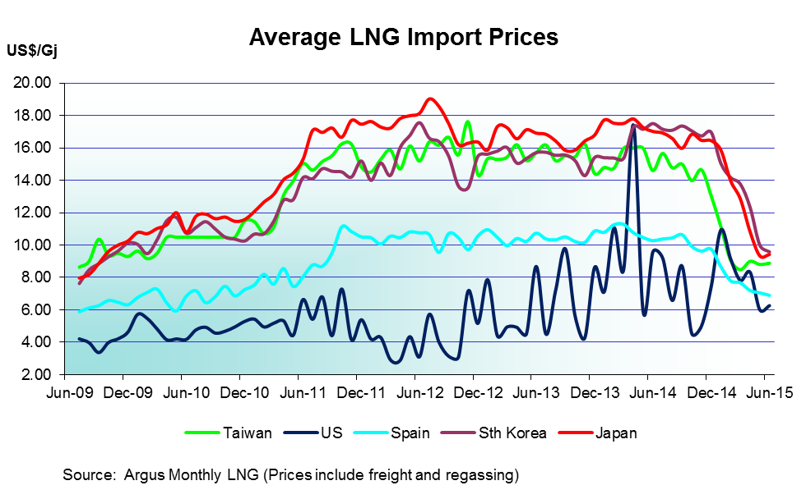

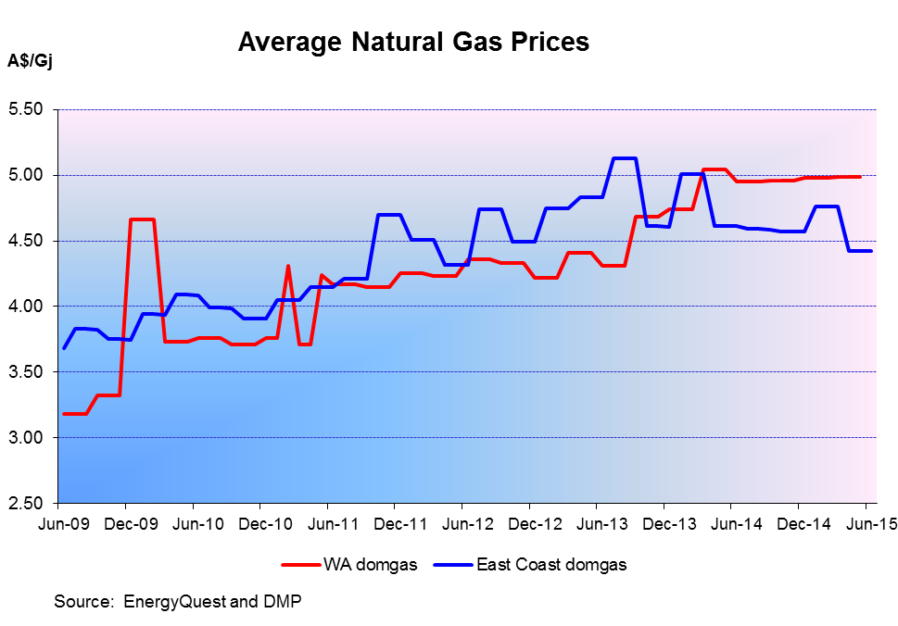

Tapis Oil Price
TAPIS CRUDE OIL PRICE US$/bbl
 | Tapis Crude Oil Price
 | US$/bbl |  | US$/bbl |  | US$/bbl |  | US$/bbl |  | US$/bbl |  | US$/bbl
Jan-92 | 20.22 | Jan-96 | 20.38 | Jan-00 | 27.26 | Jan-04 | 33.46 | Jan-08 | 96.74 | Jan-12 | 121.45
Feb-92 | 19.29 | Feb-96 | 20.38 | Feb-00 | 27.59 | Feb-04 | 34.31 | Feb-08 | 100.13 | Feb-12 | 127.71
Mar-92 | 18.40 | Mar-96 | 20.96 | Mar-00 | 28.42 | Mar-04 | 35.79 | Mar-08 | 109.61 | Mar-12 | 134.03
Apr-92 | 18.86 | Apr-96 | 20.61 | Apr-00 | 25.46 | Apr-04 | 35.11 | Apr-08 | 118.57 | Apr-12 | 129.59
May-92 | 20.33 | May-96 | 20.16 | May-00 | 28.78 | May-04 | 39.72 | May-08 | 131.10 | May-12 | 118.76
Jun-92 | 22.50 | Jun-96 | 20.49 | Jun-00 | 30.66 | Jun-04 | 38.20 | Jun-08 | 139.21 | Jun-12 | 97.94
Jul-92 | 22.92 | Jul-96 | 20.73 | Jul-00 | 30.91 | Jul-04 | 41.10 | Jul-08 | 143.11 | Jul-12 | 109.63
Aug-92 | 22.39 | Aug-96 | 21.16 | Aug-00 | 32.12 | Aug-04 | 47.03 | Aug-08 | 122.50 | Aug-12 | 119.68
Sep-92 | 21.69 | Sep-96 | 22.96 | Sep-00 | 34.36 | Sep-04 | 47.97 | Sep-08 | 104.34 | Sep-12 | 118.99
Oct-92 | 21.65 | Oct-96 | 25.73 | Oct-00 | 31.60 | Oct-04 | 53.19 | Oct-08 | 74.94 | Oct-12 | 114.27
Nov-92 | 21.02 | Nov-96 | 24.76 | Nov-00 | 32.63 | Nov-04 | 47.02 | Nov-08 | 53.17 | Nov-12 | 112.50
Dec-92 | 19.98 | Dec-96 | 25.40 | Dec-00 | 27.84 | Dec-04 | 39.04 | Dec-08 | 42.65 | Dec-12 | 113.07
Jan-93 | 18.92 | Jan-97 | 26.01 | Jan-01 | 25.82 | Jan-05 | 46.39 | Jan-09 | 45.07 | Jan-13 | 117.28
Feb-93 | 19.65 | Feb-97 | 23.56 | Feb-01 | 27.93 | Feb-05 | 50.14 | Feb-09 | 48.29 | Feb-13 | 122.43
Mar-93 | 20.81 | Mar-97 | 22.97 | Mar-01 | 26.84 | Mar-05 | 57.06 | Mar-09 | 50.10 | Mar-13 | 115.85
Apr-93 | 20.69 | Apr-97 | 20.84 | Apr-01 | 27.88 | Apr-05 | 57.49 | Apr-09 | 52.38 | Apr-13 | 108.41
May-93 | 20.26 | May-97 | 21.20 | May-01 | 28.92 | May-05 | 50.78 | May-09 | 60.05 | May-13 | 108.46
Jun-93 | 19.13 | Jun-97 | 19.92 | Jun-01 | 28.12 | Jun-05 | 55.70 | Jun-09 | 71.34 | Jul-11 | 124.24
Jul-93 | 18.76 | Jul-97 | 18.97 | Jul-01 | 25.96 | Jul-05 | 58.73 | Jul-09 | 69.01 | Aug-11 | 118.63
Aug-93 | 19.05 | Aug-97 | 20.14 | Aug-01 | 25.40 | Aug-05 | 67.67 | Aug-09 | 76.94 | Sep-11 | 120.04
Sep-93 | 18.42 | Sep-97 | 19.38 | Sep-01 | 25.90 | Sep-05 | 68.09 | Sep-09 | 70.94 | Oct-11 | 118.58
Oct-93 | 18.23 | Oct-97 | 21.20 | Oct-01 | 21.55 | Oct-05 | 63.18 | Oct-09 | 78.26 | Nov-11 | 120.47
Nov-93 | 17.11 | Nov-97 | 20.81 | Nov-01 | 19.92 | Nov-05 | 57.12 | Nov-09 | 80.36 | Dec-11 | 117.54
Dec-93 | 15.64 | Dec-97 | 18.32 | Dec-01 | 19.59 | Dec-05 | 61.12 | Dec-09 | 79.34 | Jan-12 | 121.45
Jan-94 | 16.23 | Jan-98 | 15.93 | Jan-02 | 20.20 | Jan-06 | 69.01 | Jan-10 | 80.73 | Feb-12 | 127.71
Feb-94 | 16.65 | Feb-98 | 15.02 | Feb-02 | 20.29 | Feb-06 | 66.26 | Feb-10 | 77.61 | Mar-12 | 134.03
Mar-94 | 15.84 | Mar-98 | 13.29 | Mar-02 | 23.60 | Mar-06 | 66.44 | Mar-10 | 82.76 | Apr-12 | 129.59
Apr-94 | 15.99 | Apr-98 | 14.88 | Apr-02 | 26.09 | Apr-06 | 74.30 | Apr-10 | 86.92 | May-12 | 118.76
May-94 | 16.67 | May-98 | 14.49 | May-02 | 25.98 | May-06 | 74.68 | May-10 | 79.06 | Jun-12 | 97.94
Jun-94 | 17.63 | Jun-98 | 13.70 | Jun-02 | 24.92 | Jun-06 | 71.55 | Jun-10 | 80.93 | Jul-12 | 109.63
Jul-94 | 18.69 | Jul-98 | 13.82 | Jul-02 | 26.38 | Jul-06 | 76.74 | Jul-10 | 79.86 | Aug-12 | 119.68
Aug-94 | 18.71 | Aug-98 | 13.14 | Aug-02 | 27.35 | Aug-06 | 78.77 | Aug-10 | 81.25 | Sep-12 | 118.99
Sep-94 | 17.57 | Sep-98 | 13.67 | Sep-02 | 28.01 | Sep-06 | 69.73 | Sep-10 | 82.32 | Oct-12 | 114.27
Oct-94 | 17.54 | Oct-98 | 14.42 | Oct-02 | 27.78 | Oct-06 | 63.52 | Oct-10 | 89.88 | Nov-12 | 112.50
Nov-94 | 17.43 | Nov-98 | 12.96 | Nov-02 | 26.99 | Nov-06 | 60.13 | Nov-10 | 91.60 | Dec-12 | 113.07
Dec-94 | 17.07 | Dec-98 | 11.11 | Dec-02 | 30.55 | Dec-06 | 64.11 | Dec-10 | 95.16 | Jan-13 | 117.28
Jan-95 | 18.50 | Jan-99 | 12.43 | Jan-03 | 31.82 | Jan-07 | 59.14 | Jan-11 | 101.21 | Feb-13 | 122.43
Feb-95 | 18.88 | Feb-99 | 11.45 | Feb-03 | 33.88 | Feb-07 | 64.14 | Feb-11 | 107.67 | Mar-13 | 115.85
Mar-95 | 18.49 | Mar-99 | 13.44 | Mar-03 | 31.26 | Mar-07 | 67.31 | Mar-11 | 118.69 | Apr-13 | 108.41
Apr-95 | 19.07 | Apr-99 | 16.34 | Apr-03 | 27.62 | Apr-07 | 74.19 | Apr-11 | 123.76 | May-13 | 108.46
May-95 | 19.31 | May-99 | 16.67 | May-03 | 26.79 | May-07 | 75.87 | May-11 | 121.88 | Jun-13 | 109.77
Jun-95 | 18.28 | Jun-99 | 17.05 | Jun-03 | 27.20 | Jun-07 | 75.40 | Jun-11 | 122.29 | Jul-13 | 113.19
Jul-95 | 17.26 | Jul-99 | 19.73 | Jul-03 | 28.56 | Jul-07 | 77.11 | Jul-11 | 124.24 | Aug-13 | 116.61
Aug-95 | 17.45 | Aug-99 | 21.71 | Aug-03 | 30.64 | Aug-07 | 77.15 | Aug-11 | 118.63 | Sep-13 | 118.25
Sep-95 | 17.50 | Sep-99 | 23.79 | Sep-03 | 29.42 | Sep-07 | 82.42 | Sep-11 | 120.04 | Oct-13 | 116.47
Oct-95 | 17.29 | Oct-99 | 23.60 | Oct-03 | 31.72 | Oct-07 | 87.93 | Oct-11 | 118.58 | Nov-13 | 115.35
Nov-95 | 18.21 | Nov-99 | 24.89 | Nov-03 | 30.70 | Nov-07 | 99.51 | Nov-11 | 120.47 | Dec-13 | 119.81
Dec-95 | 19.61 | Dec-99 | 25.19 | Dec-03 | 31.32 | Dec-07 | 98.05 | Dec-11 | 117.54 | Jan-14 | 114.98
 |  |  |  |  |  |  |  |  |  | Feb-14 | 114.41
 |  |  |  |  |  |  |  |  |  | Mar-14 | 113.40
 |  |  |  |  |  |  |  |  |  | Apr-14 | 114.13
 |  |  |  |  |  |  |  |  |  | May-14 | 114.44
 |  |  |  |  |  |  |  |  |  | Jun-14 | 116.42
 |  |  |  |  |  |  |  |  |  | Jul-14 | 110.75
 |  |  |  |  |  |  |  |  |  | Aug-14 | 106.03
 |  |  |  |  |  |  |  |  |  | Sep-14 | 101.96
 |  |  |  |  |  |  |  |  |  | Oct-14 | 90.95
 |  |  |  |  |  |  |  |  |  | Nov-14 | 82.27
 |  |  |  |  |  |  |  |  |  | Dec-14 | 66.07
 |  |  |  |  |  |  |  |  |  | Jan-15 | 50.28
 |  |  |  |  |  |  |  |  |  | Feb-15 | 59.79
 |  |  |  |  |  |  |  |  |  | Mar-15 | 58.28
 |  |  |  |  |  |  |  |  |  | Apr-15 | 61.74
 |  |  |  |  |  |  |  |  |  | May-15 | 67.25
 |  |  |  |  |  |  |  |  |  | Jun-15 | 64.99

Historic Oil Price
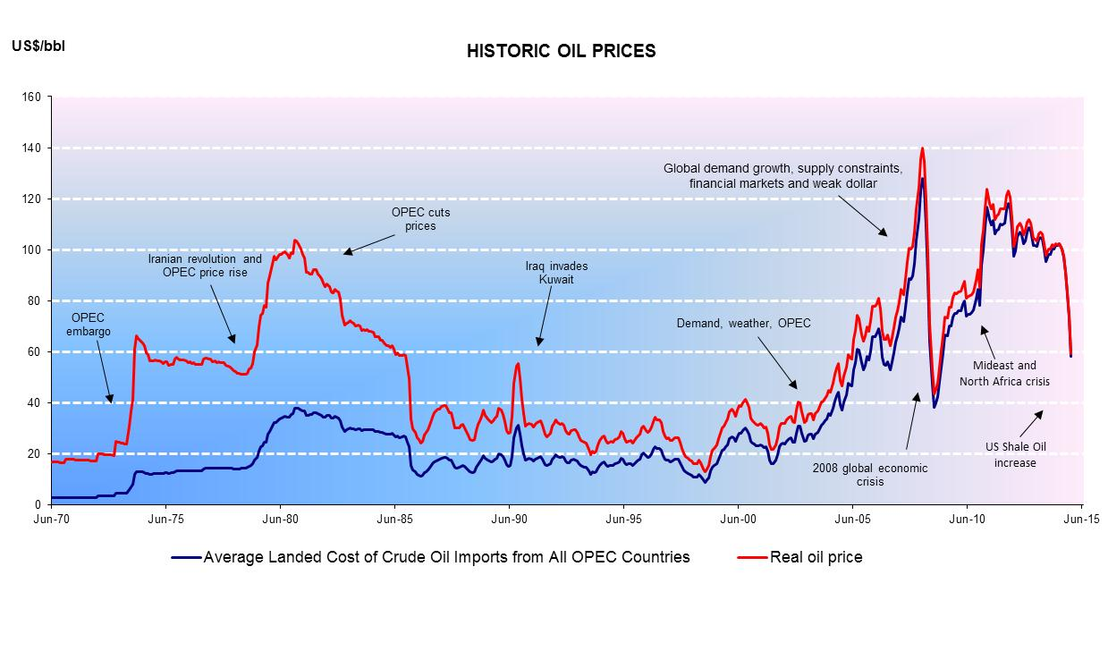

Source: Energy Information Administration, US Department of Energy and DMP

Exports
PETROLEUM EXPORTS TOTAL VALUE $20.2 billion

PETROLEUM EXPORTS 2014-15
Petroleum All
Japan | 12,573,357,911 | 62%
Papua New Guinea | 221,747,965 | 1%
Thailand | 456,661,859 | 2%
South Korea | 2,271,243,378 | 11%
Singapore | 1,427,427,222 | 7%
Taiwan | 126,956,301 | 1%
China | 2,095,354,672 | 10%
Other | 376,657,182 | 2%
Malaysia | 684,079,539 | 3%
TOTAL | 20,233,486,030 | 100%

Oil & Cond WA vs Australia
CRUDE OIL AND CONDENSATE QUANTITY
CRUDE OIL AND CONDENSATE PRODUCTION
 | Western Australia | Rest of Australia
 | GL | GL
1965 | 0.000 | 0.417
1966 | 0.000 | 0.539
1967 | 0.739 | 0.469
1968 | 1.691 | 0.514
1969 | 2.088 | 0.417
1970 | 2.648 | 7.720
1971 | 2.599 | 15.353
1972 | 2.455 | 16.546
1973 | 2.322 | 20.298
1974 | 2.199 | 20.204
1975 | 2.050 | 21.782
1976 | 1.776 | 22.475
1977 | 1.875 | 23.120
1978 | 1.822 | 23.365
1979 | 1.424 | 23.944
1980 | 1.628 | 19.695
1981 | 1.442 | 20.262
1982 | 1.281 | 20.397
1983 | 1.265 | 23.800
1984 | 1.324 | 27.591
1985 | 1.476 | 31.901
1986 | 2.030 | 27.734
1987 | 2.686 | 29.188
1988 | 3.187 | 26.952
1989 | 3.867 | 24.534
1990 | 6.920 | 26.567
1991 | 7.084 | 24.526
1992 | 7.107 | 23.945
1993 | 6.162 | 22.596
1994 | 11.094 | 20.154
1995 | 12.512 | 16.872
1996 | 16.225 | 15.353
1997 | 15.977 | 16.927
1998 | 17.383 | 13.652
1999 | 14.055 | 16.037
2000 | 20.168 | 20.478
2001 | 20.076 | 16.703
2002 | 22.167 | 13.945
2003 | 20.513 | 9.559
2004 | 18.185 | 7.360
2005 | 19.069 | 6.705
2006 | 17.343 | 8.426
2007 | 19.051 | 10.921
2008 | 19.049 | 7.680
2009 | 18.739 | 8.168
2010 | 21.942 | 5.083
2011 | 18.336 | 4.471
2012 | 15.991 | 8.168
2013 | 12.828 | 6.189
2014 | 14.013 | 6.430

OPEC 2014
Non-OPEC | 483.6
Saudi Arabia | 267
UAE | 97.8
Venezuela | 298.3
Ecuador | 8
Angola | 12.7
Algeria | 12.2
Iran | 157.8
Iraq | 150
Kuwait | 101.5
Libya | 48.4
Nigeria | 37.1
Qatar | 25.7
 | Billion barrels
Non-OPEC | 483.6 | 28.45%
OPEC | 1216.5 | 71.55%
Saudi Arabia | 267 | 21.9%
UAE | 97.8 | 8.0%
Venezuela | 298.3 | 24.5%
Ecuador | 8.0 | 0.7%
Angola | 12.7 | 1.0%
Algeria | 12.2 | 1.0%
Iran | 157.8 | 13.0%
Iraq | 150 | 12.3%
Kuwait | 101.5 | 8.3%
Libya | 48.4 | 4.0%
Nigeria | 37.1 | 3.0%
Qatar | 25.7 | 2.1%

Total | 1700.1

LNG Ranking 2014
World LNG Rankings 2014
World LNG Ranking 2014
Source: BP World Energy Statistics 2015
 | Billions of cubic metres
Qatar | 103.40 | 31.0%
Malaysia | 33.90 | 10.2%
Australia | 31.60 | 9.5%
Nigeria | 25.30 | 7.6%
Indonesia | 21.70 | 6.5%
Trinidad & Tobago | 19.30 | 5.8%
Algeria | 17.30 | 5.2%
Russian Federation | 14.50 | 4.4%
Oman | 10.60 | 3.2%
Yemen | 8.90 | 2.7%
Brunei | 8.30 | 2.5%
Other Europe | 8.20 | 2.5%
UAE | 8.00 | 2.4%
Peru | 5.70 | 1.7%
Norway | 5.30 | 1.6%
Equatorial Guinea | 5.00 | 1.5%
Papua New Guinea | 4.70 | 1.4%
Angola | 0.50 | 0.2%
Egypt | 0.40 | 0.1%
US | 0.40 | 0.1%
South Korea | 0.20 | 0.1%
Brazil | 0.10 | 0.0%
Total imports | 333.30

World LNG Imports by Region 2014
World LNG Imports by Region 2014
Asia Pacific | 242.7 | 73%
Europe | 52.1 | 16%
Southern and Central America | 21.4 | 6%
North America | 11.6 | 3%
Middle East | 5.4 | 2%
Total imports | 333.2 | 100%

Asia Pacific Region LNG Imports 2014
Asia Pacific Region Imports 2014 (country imported from)
Qatar | 74.40 | 31%
Malaysia | 33.70 | 14%
Australia | 31.60 | 13%
Indonesia | 21.40 | 9%
Russian Federation | 14.50 | 6%
Nigeria | 13.30 | 5%
Oman | 10.40 | 4%
Brunei | 8.30 | 3%
Yemen | 8.30 | 3%
UAE | 8.00 | 3%
Equatorial Guinea | 4.40 | 2%
Egypt | 0.40 | 0%
Peru | 0.10 | 0%
Trinidad & Tobago | 1.20 | 0%
Algeria | 2.60 | 1%
Other Europe | 3.80 | 2%
Papua New Guinea | 4.70 | 2%
Norway | 0.90 | 0%
US | 0.30 | 0%
Angola | 0.40 | 0%
South Korea | 0.20 | 0%
Total imports | 242.90 | 100%

 | 177.32 | M tonnes
2014 data | 21.08 | WA
 | 0.12 | Percentage

Countries Importing LNG in 2014
Countries Importing LNG in 2014
Japan | 120.60 | 36%
South Korea | 51.10 | 15%
China | 27.10 | 8%
India | 18.90 | 6%
Taiwan | 18.10 | 5%
Spain | 15.50 | 5%
United Kingdom | 11.30 | 3%
France | 7.10 | 2%
Mexico | 9.30 | 3%
Argentina | 6.50 | 2%
Turkey | 7.30 | 2%
Italy | 4.50 | 1%
Brazil | 7.90 | 2%
Middle East | 5.40 | 2%
Chile | 3.80 | 1%
Other Europe & Eurasia | 3.50 | 1%
Other S. & Cent. America | 3.00 | 1%
Belgium | 2.90 | 1%
US | 1.70 | 1%
Malaysia | 2.40 | 1%
Singapore | 2.60 | 1%
Thailand | 1.90 | 1%
Canada | 0.60 | 0%
Total LNG exports | 333.00 | 100%

